Table 4
nemestrina, the variability was much less, the largest peak density just 17% larger than the smallest [Packer et al., 1989]; and in a sample of 6 Callithrix jacchus, again a smaller range of 25% was found [Troilo et al., 1993]. For the three Cebus apella plotted in figure 2, the range is also 25%, and the similarity of the curves of cone densities in the fellow eyes is quite striking. Intraspecies Comparisons of Cone Density Photomicrographs of the region of peak cone density in Callithrix, Cebus and Alouatta are shown in figure 3. The foveal depression in Alouatta appears deeper than in the other primates, which can be appreciated in the relative defocus of the parafoveal area. A plot of cone density along the horizontal meridian for the five species examined, cen-tered on the peak of cone density, is shown in figure 4, left panel. All of the Y axes for the cone plots in figure 4 are identical, except for the axis of Alouatta caraya, which is doubled. The graphs are arranged from top to bottom in order of decreasing retinal area. Retinal nasotemporal length predicts neither the diameter of the region of peak density nor peak density itself. Among the cebids, there is no obvious relationship of foveal structure to the subfamily to which the monkeys belong. Of the four Cebidae, there are two Cebinae, the capuchin and squirrel monkey, and two Callitrichinae, the marmoset and golden-handed tamarin. The capuchin Cebus apella has the highest peak cone density (162,000/mm2) and the largest nasotemporal retinal length (27.9 mm). The sec-ond highest density is in the marmoset Callithrix jacchus (152,000/mm2) which has the smallest nasotemporal retinal length (18.5 mm). Third is the tamarin, Saguinus midas niger with a peak of 134,000 cells/mm2 and a retinal naso-temporal length of 19.0 mm, and last, the squirrel monkey, Saimiri ustius, with the lowest peak density at 110,000 cells/ mm2 and | 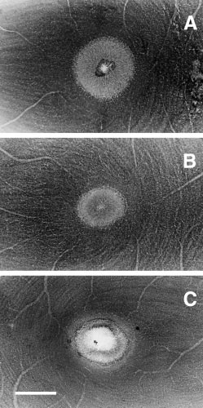 Fig. 1. Photomicrographs of the foveal region of flat mounts of three primate retinas stained with cresyl violet. Scale bar = 0.5 mm. A Saimiri sciureus, male, left retina. B Cebus apella, female, left retina. C Alouatta caraya, female, right retina.

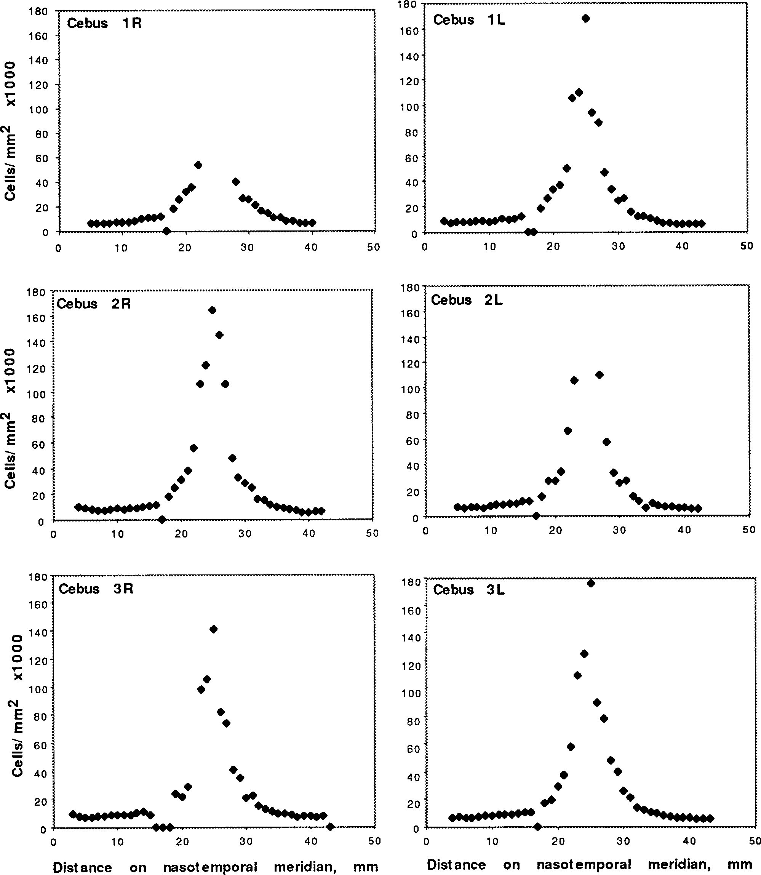
Fig. 2. Cone densities of the right and left retinas of three Cebus apella monkeys, for comparison of interocular and individual differences.

Table 5
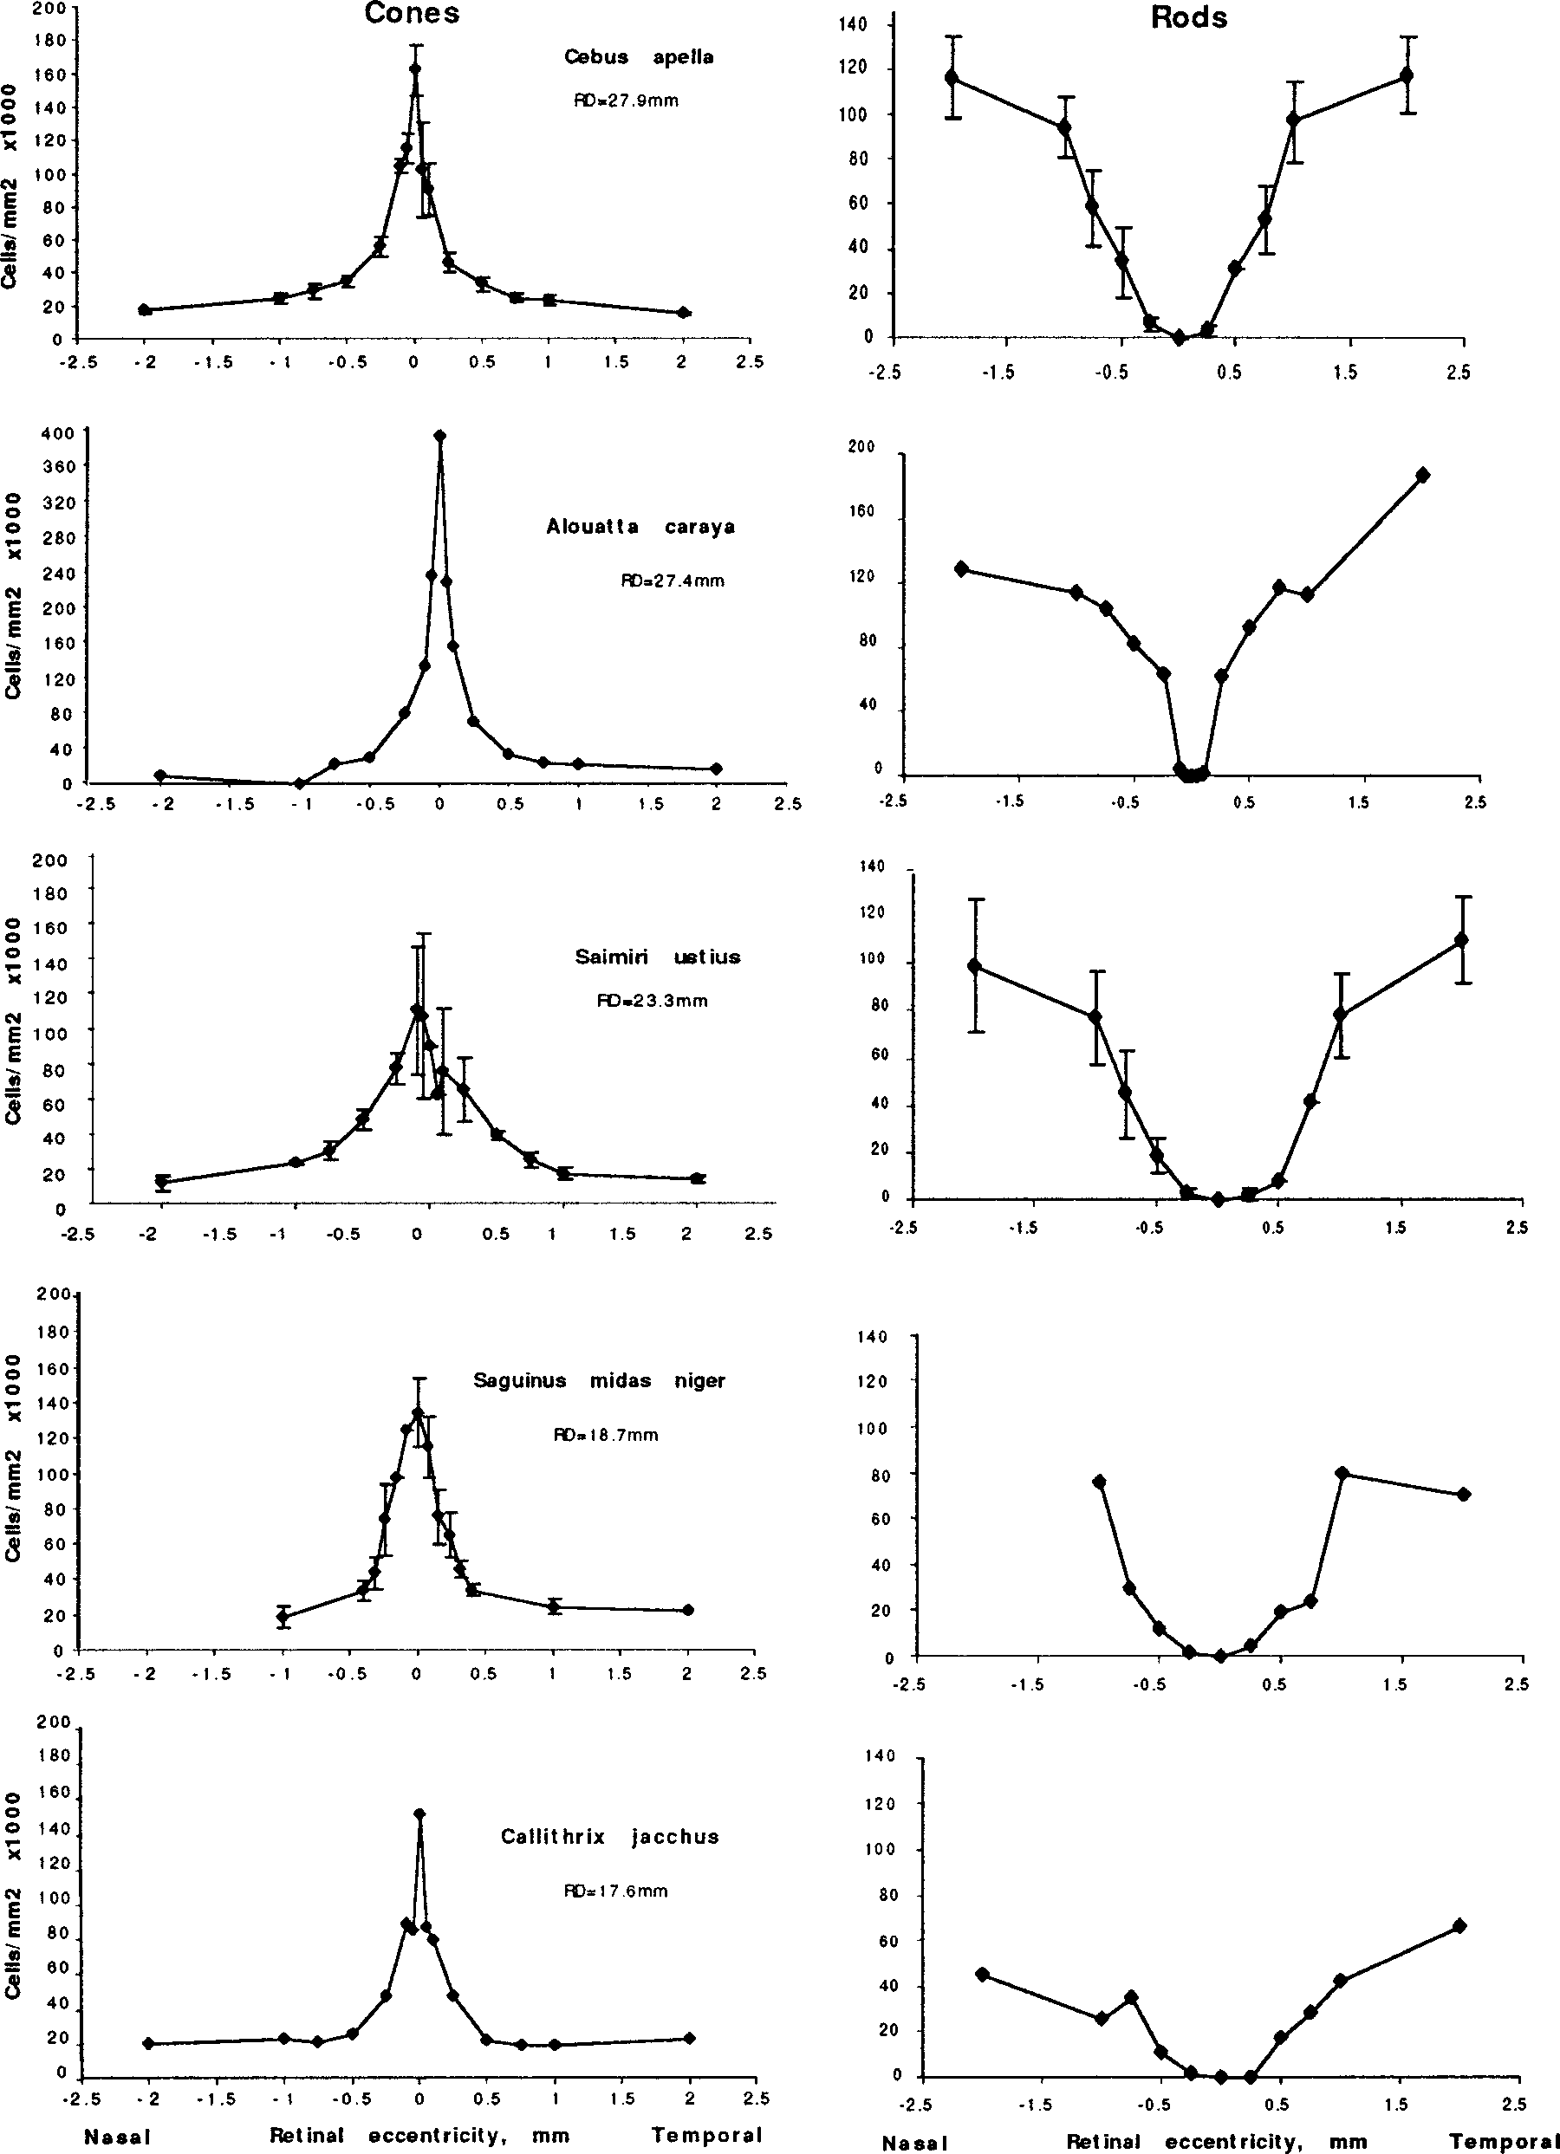
rod free, and some rods might have been mistaken for cones. Although immunohistochemical labeling of rod and cone opsins will eventually provide the definitive answer, we think that bimodality in size at the first appearance of distinct rods makes this unlikely. In the center of the fovea, the mean diameter of the photoreceptors is 1.95 ± 0.16 µm, quite uniform (n = 91). At 0.1 mm eccentricity, the mean diameter of cones is 3.3 ± 0.29 µm (n = 41), and the first few rod-like processes are seen with a mean diameter of 1.7 µm (n = 2), smaller than the photoreceptor diameter in the foveal center. At 0.5 mm eccentricity, cone diameter is 5.46 ± 0.22 µm (n = 30) and rod diameter is 2.9 ± 0.26 µm (n = 96), maintaining the approximately 2/1 difference seen in the rest of the parafoveal region. The Rod-Sparse Zone Shown in figure 4, right panel, is a similar series of rod densities in the foveal and parafoveal region along the horizontal meridian for the five monkey species. In all the Cebid monkeys, the length of the essentially rod-free zone (less than 5 rods/mm2) along the nasotemporal meridian is the same, about one half mm. There is no suggestion of a relationship between retinal area and the dimensions of the rod-free zone. The density of rods rises with differential steepness, with higher parafoveal rod densities found in the larger retinas. Alouatta caraya has a different rod distribution (note the larger magnitude on the Y axis in this plot as well), as was also true for its cone distribution. The area of the rod-free zone is smaller than in the other 4 monkey species, 0.25 mm, and the density of rods outside this area rises more steeply to a much higher value. No Relation between Overall Retina Size and the Size of the Cone Dense Region From the graphs in figure 4, we measured the diameter of the cone-dense region at the point that was one-half of the highest density. We also made similar measurements | 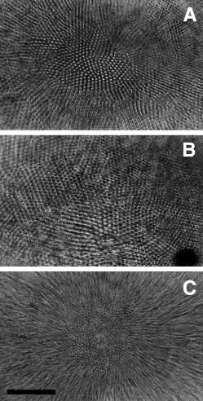 Fig. 3. Photomicrograph of region of peak cone density in Callithrix jacchus (A), Cebus apella (B) and Alouatta caraya (C). Scale bar = 40 µm.

4

Table 6
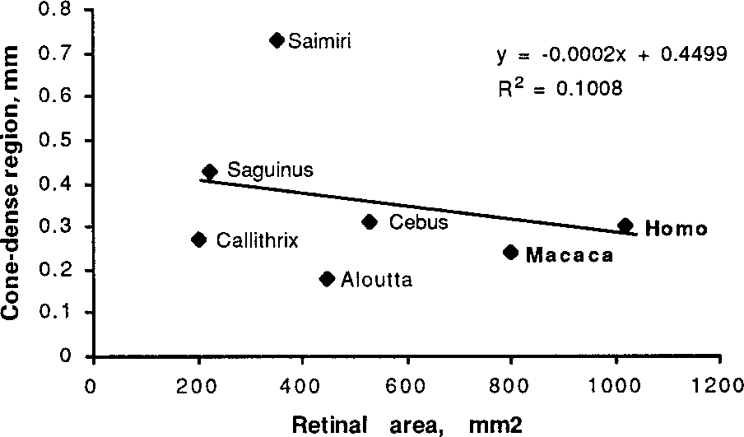 Fig. 5. Scatterplot of the relationship of the diameter of the peak cone density to retinal area for the five new World Primates examined in this study, and two other reported values for Old World primates (keyed in bold) [Macaca nemestrina, Packer et al., 1989; Homo sapiens, Curcio and Hendrickson, 1992]. Discussion Summary and Methodological Concerns We have presented data on cone and rod densities in five species of New World monkeys, concentrating on the foveal specialization as measured along the horizontal meridian of the eye. We describe a surprising conservation of the absolute dimensions of the foveal specialization, even as total retinal nasotemporal length increases by approximately a factor of 2. Our results on peak cone densities of New World mon-keys, with the exception of the Ateline monkey, Alouatta caraya, lie in the range of values previously reported for Old World monkeys and humans, and prior reports of New World monkeys. There has been a great deal of variability in the literature in the reported peak of the curve of cone den-sities in Macaca sp. [discussed at length in Packer et al., 1989]. Methodological concerns that account for the varia-tion are tissue shrinkage, inappropriately large sampling areas, and difficulties aligning or locating the foveal center when reporting means across individuals. When these are appropriately corrected, however, a significant variation remains, at least a factor of 2, for individuals within a Fig. 4. Left panel: Cone density along the horizontal meridian for five New World monkey species, arranged from top to bottom in decreasing retinal nasotemporal length (this value, called ‘RD’ is inset on each cone plot). Right panel: Rod density along the horizontal meridian for the same animals. Standard deviations are plotted when the number of observations per point were three or greater. | macaque species [M. nemestrina, 150,000 to 300,000 mm2, mean 210,000 cones/mm2; Packer et al., 1989]. The two other reported macaque species have lower peaks [M. mulatta, 140,500 cones/mm2; M. fascicularis, 100,400 cones/mm2; Perry and Cowey, 1985]. In humans, peak cone density ranges from 98,000 to 324,000 cones/mm2 with a mean of 199,000 cones/mm2. In our comparison of the right and left retinas of three Cebus monkeys, we found a mean of 162,000 cones/mm2 ± 15,000 without much striking variabil-ity, which corresponds well to the values reported recently by da Costa and Hokoç [2000], of 173,909 ± 74,139 cells/ mm2 whose observed variability was higher. Our counts of Saimiri ustius are the most variable of the data we report (fig. 3), as they contain an individual monkey with the low peak density of 89,000 cones/mm2. Because such occasional low values are reported in other studies, it seems likely that this is natural variability and not error. For Callithrix jac-chus, the study of Troilo et al. [1993] reported a peak cone density of 190,600 ± 15,600 cones/mm2 (n = 6); our single individual is 25% lower in peak density. Wilder et al. [1996] report a higher mean of 211,000 cones/mm2 (n = 3). The Unusual Retinal Topography of Alouatta caraya Interest has recently been focused on the howler monkey because it has full trichromacy in both sexes, unlike the sex-linked polymorphism found in various other cebid monkeys [Jacobs et al., 1996; Jacobs, 1998]. Because we have only one individual, and many reports of large variation among individual primates in peak cone density exist, obviously more data will be necessary before we can view this indi-vidual animal as typical of its species. However, the peak cone density in this single animal is higher than that ever reported for any other single primate species, including humans. Because all of our other observations fall in the ranges reported for identical

